Experiments
Solubility |  |  |  |  |  |  |  |  |  |  |  |  | Parameters
Temperature (°C) | Temperature (K) | Solubility (kg.m-3) |  |  |  |  |  |  |  |  |  |  | Name | Initial Guess | Lower Bound |  | Upper Bound | Actual Value | Second Guess
10 | 283.15 | 10.185120355 |  |  |  |  |  |  |  |  |  |  | kb1 | 1.00E+07 | 1.00E+04 |  | 1.00E+11 | 1.00E+06 | 6.50E+06
20 | 293.15 | 17.510975687 |  |  |  |  |  |  |  |  |  |  | b1 | 0.5 | 0 |  | 3 | 1 | 1.00E+00
30 | 303.15 | 30.106101729 |  |  |  |  |  |  |  |  |  |  | kb2 | 1.00E+06 | 1.00E+03 |  | 2.00E+07 | 1.00E+07 | 1.55E+07
40 | 313.15 | 51.760528797 |  |  |  |  |  |  |  |  |  |  | b2 | 2 | 0.5 |  | 5 | 2 | 2.00E+00
50 | 323.15 | 88.990343734 |  |  |  |  |  |  |  |  |  |  | kg | 5.00E-09 | 1.00E-11 |  | 1.00E-06 | 2.00E-09 | 5.50E-09
60 | 333.15 | 152.99846161 |  |  |  |  |  |  |  |  |  |  | g | 2 | 1 |  | 4 | 1.00E+00 | 1.00E+00
70 | 343.15 | 263.04572239 |  |  |  |  |  |  |  |  |  |  | kd | 0.1 | 0 |  | 1 | 1.00E-01 | 2.00E-01

Experiments
Maximum temperature | 60
MSZW | 17
 |  |  |  |  |  |  |  |  |  |  |  |  |  | Python input vector
Mechanism | Experiment | Ti (K) | Tsat (K) | Tseed (K) | Ci (kg.m-3) | C* (kg.m-3) | Theo. Yield (kg.m-3) | Seed loading | M_seed (kg.m-3) | Ls (m) | ε (W/kg) | Cooling rate (K.s-1) |  | Ci | T | tau | beta | eps | M_seed | Ls
Crystal growth | 1 | 333.15 | 328.15 | 315.4 | 116.68498485 | 58.472430314 | 58.212554534 | 10% | 5.82 | 2.00E-05 | 0.5 | 0 |  | 116.68 | 315.4 | 7200 | 0 | 0.5 | 5.82 | 2.00E-05
 | 2 | 333.15 | 328.15 | 319.65 | 116.68498485 | 73.616034825 | 43.068950023 | 10% | 4.31 | 2.00E-05 | 0.5 | 0 |  | 116.68 | 319.65 | 7200 | 0 | 0.5 | 4.31 | 2.00E-05
 | 3 | 333.15 | 328.15 | 323.9 | 116.68498485 | 92.681637384 | 24.003347464 | 10% | 2.40 | 2.00E-05 | 0.5 | 0 |  | 116.68 | 323.9 | 7200 | 0 | 0.5 | 2.40 | 2.00E-05
 | 4 | 310.9 | 305.9 | 293.15 | 34.944125322 | 17.510975687 | 17.433149634 | 10% | 1.74 | 2.00E-05 | 0.5 | 0 |  | 34.94 | 293.15 | 7200 | 0 | 0.5 | 1.74 | 2.00E-05
 | 5 | 310.9 | 305.9 | 297.4 | 34.944125322 | 22.046092305 | 12.898033016 | 10% | 1.29 | 2.00E-05 | 0.5 | 0 |  | 34.94 | 297.4 | 7200 | 0 | 0.5 | 1.29 | 2.00E-05
 | 6 | 310.9 | 305.9 | 301.65 | 34.944125322 | 27.755745574 | 7.1883797477 | 10% | 0.72 | 2.00E-05 | 0.5 | 0 |  | 34.94 | 301.65 | 7200 | 0 | 0.5 | 0.72 | 2.00E-05
 | 7 | 325 | 320 | 307.25 | 75.025598338 | 37.596346062 | 37.429252276 | 10% | 3.74 | 2.00E-05 | 0.5 | 0 |  | 75.03 | 307.25 | 7200 | 0 | 0.5 | 3.74 | 2.00E-05
 | 8 | 325 | 320 | 311.5 | 75.025598338 | 47.333314284 | 27.692284054 | 10% | 2.77 | 2.00E-05 | 0.5 | 0 |  | 75.03 | 311.5 | 7200 | 0 | 0.5 | 2.77 | 2.00E-05
 | 9 | 325 | 320 | 315.75 | 75.025598338 | 59.59203156 | 15.433566778 | 10% | 1.54 | 2.00E-05 | 0.5 | 0 |  | 75.03 | 315.75 | 7200 | 0 | 0.5 | 1.54 | 2.00E-05
Secondary nucleation | 10 | 333.15 | 328.15 | 315.4 | 116.68498485 | 58.472430314 | 58.212554534 | 1% | 0.58 | 5.00E-05 | 0.5 | 0 |  | 116.68 | 315.4 | 7200 | 0 | 0.5 | 0.58 | 5.00E-05
 | 11 | 333.15 | 328.15 | 315.4 | 116.68498485 | 58.472430314 | 58.212554534 | 1% | 0.58 | 5.00E-05 | 1 | 0 |  | 116.68 | 315.4 | 7200 | 0 | 1 | 0.58 | 5.00E-05
 | 12 | 333.15 | 328.15 | 315.4 | 116.68498485 | 58.472430314 | 58.212554534 | 1% | 0.58 | 5.00E-05 | 1.5 | 0 |  | 116.68 | 315.4 | 7200 | 0 | 1.5 | 0.58 | 5.00E-05
 | 13 | 310.9 | 305.9 | 293.15 | 34.944125322 | 17.510975687 | 17.433149634 | 1% | 0.17 | 5.00E-05 | 0.5 | 0 |  | 34.94 | 293.15 | 7200 | 0 | 0.5 | 0.17 | 5.00E-05
 | 14 | 310.9 | 305.9 | 293.15 | 34.944125322 | 17.510975687 | 17.433149634 | 1% | 0.17 | 5.00E-05 | 1 | 0 |  | 34.94 | 293.15 | 7200 | 0 | 1 | 0.17 | 5.00E-05
 | 15 | 310.9 | 305.9 | 293.15 | 34.944125322 | 17.510975687 | 17.433149634 | 1% | 0.17 | 5.00E-05 | 1.5 | 0 |  | 34.94 | 293.15 | 7200 | 0 | 1.5 | 0.17 | 5.00E-05
 | 16 | 325 | 320 | 307.25 | 75.025598338 | 37.596346062 | 37.429252276 | 1% | 0.37 | 5.00E-05 | 0.5 | 0 |  | 75.03 | 307.25 | 7200 | 0 | 0.5 | 0.37 | 5.00E-05
 | 17 | 325 | 320 | 307.25 | 75.025598338 | 37.596346062 | 37.429252276 | 1% | 0.37 | 5.00E-05 | 1 | 0 |  | 75.03 | 307.25 | 7200 | 0 | 1 | 0.37 | 5.00E-05
 | 18 | 325 | 320 | 307.25 | 75.025598338 | 37.596346062 | 37.429252276 | 1% | 0.37 | 5.00E-05 | 1.5 | 0 |  | 75.03 | 307.25 | 7200 | 0 | 1.5 | 0.37 | 5.00E-05
 | 19 | 333.15 | 328.15 | 315.4 | 116.68498485 | 58.472430314 | 58.212554534 | 1% | 0.58212554534 | 1.00E-04 | 0.5 | 0 |  | 116.68 | 315.4 | 7200 | 0 | 0.5 | 0.58 | 1.00E-04
 | 20 | 333.15 | 328.15 | 315.4 | 116.68498485 | 58.472430314 | 58.212554534 | 1% | 0.58212554534 | 1.00E-04 | 1 | 0 |  | 116.68 | 315.4 | 7200 | 0 | 1 | 0.58 | 1.00E-04
 | 21 | 333.15 | 328.15 | 315.4 | 116.68498485 | 58.472430314 | 58.212554534 | 1% | 0.58212554534 | 1.00E-04 | 1.5 | 0 |  | 116.68 | 315.4 | 7200 | 0 | 1.5 | 0.58 | 1.00E-04
 | 22 | 310.9 | 305.9 | 293.15 | 34.944125322 | 17.510975687 | 17.433149634 | 1% | 0.17433149634 | 1.00E-04 | 0.5 | 0 |  | 34.94 | 293.15 | 7200 | 0 | 0.5 | 0.17 | 1.00E-04
 | 23 | 310.9 | 305.9 | 293.15 | 34.944125322 | 17.510975687 | 17.433149634 | 1% | 0.17433149634 | 1.00E-04 | 1 | 0 |  | 34.94 | 293.15 | 7200 | 0 | 1 | 0.17 | 1.00E-04
 | 24 | 310.9 | 305.9 | 293.15 | 34.944125322 | 17.510975687 | 17.433149634 | 1% | 0.17433149634 | 1.00E-04 | 1.5 | 0 |  | 34.94 | 293.15 | 7200 | 0 | 1.5 | 0.17 | 1.00E-04
 | 25 | 325 | 320 | 307.25 | 75.025598338 | 37.596346062 | 37.429252276 | 1% | 0.37429252276 | 1.00E-04 | 0.5 | 0 |  | 75.03 | 307.25 | 7200 | 0 | 0.5 | 0.37 | 1.00E-04
 | 26 | 325 | 320 | 307.25 | 75.025598338 | 37.596346062 | 37.429252276 | 1% | 0.37429252276 | 1.00E-04 | 1 | 0 |  | 75.03 | 307.25 | 7200 | 0 | 1 | 0.37 | 1.00E-04
 | 27 | 325 | 320 | 307.25 | 75.025598338 | 37.596346062 | 37.429252276 | 1% | 0.37429252276 | 1.00E-04 | 1.5 | 0 |  | 75.03 | 307.25 | 7200 | 0 | 1.5 | 0.37 | 1.00E-04
 | 28 | 333.15 | 328.15 | 315.4 | 116.68498485 | 58.472430314 | 58.212554534 | 1% | 0.58212554534 | 1.50E-04 | 0.5 | 0 |  | 116.68 | 315.4 | 7200 | 0 | 0.5 | 0.58 | 1.50E-04
 | 29 | 333.15 | 328.15 | 315.4 | 116.68498485 | 58.472430314 | 58.212554534 | 1% | 0.58212554534 | 1.50E-04 | 1 | 0 |  | 116.68 | 315.4 | 7200 | 0 | 1 | 0.58 | 1.50E-04
 | 30 | 333.15 | 328.15 | 315.4 | 116.68498485 | 58.472430314 | 58.212554534 | 1% | 0.58212554534 | 1.50E-04 | 1.5 | 0 |  | 116.68 | 315.4 | 7200 | 0 | 1.5 | 0.58 | 1.50E-04
 | 31 | 310.9 | 305.9 | 293.15 | 34.944125322 | 17.510975687 | 17.433149634 | 1% | 0.17433149634 | 1.50E-04 | 0.5 | 0 |  | 34.94 | 293.15 | 7200 | 0 | 0.5 | 0.17 | 1.50E-04
 | 32 | 310.9 | 305.9 | 293.15 | 34.944125322 | 17.510975687 | 17.433149634 | 1% | 0.17433149634 | 1.50E-04 | 1 | 0 |  | 34.94 | 293.15 | 7200 | 0 | 1 | 0.17 | 1.50E-04
 | 33 | 310.9 | 305.9 | 293.15 | 34.944125322 | 17.510975687 | 17.433149634 | 1% | 0.17433149634 | 1.50E-04 | 1.5 | 0 |  | 34.94 | 293.15 | 7200 | 0 | 1.5 | 0.17 | 1.50E-04
 | 34 | 325 | 320 | 307.25 | 75.025598338 | 37.596346062 | 37.429252276 | 1% | 0.37429252276 | 1.50E-04 | 0.5 | 0 |  | 75.03 | 307.25 | 7200 | 0 | 0.5 | 0.37 | 1.50E-04
 | 35 | 325 | 320 | 307.25 | 75.025598338 | 37.596346062 | 37.429252276 | 1% | 0.37429252276 | 1.50E-04 | 1 | 0 |  | 75.03 | 307.25 | 7200 | 0 | 1 | 0.37 | 1.50E-04
 | 36 | 325 | 320 | 307.25 | 75.025598338 | 37.596346062 | 37.429252276 | 1% | 0.37429252276 | 1.50E-04 | 1.5 | 0 |  | 75.03 | 307.25 | 7200 | 0 | 1.5 | 0.37 | 1.50E-04
Primary Nucleation |  | 333.15 | 328.15 |  | 116.68498485 |  |  |  | 0 | 2.00E-05 | 0.5 | 0.007 |  | 116.68 | 333.15 | 7200 | 0.007 | 0.5 | 0.00 | 2.00E-05
 |  | 333.15 | 328.15 |  | 116.68498485 |  |  |  | 0 | 2.00E-05 | 0.5 | 0.0035 |  | 116.68 | 333.15 | 7200 | 0.0035 | 0.5 | 0.00 | 2.00E-05
 |  | 333.15 | 328.15 |  | 116.68498485 |  |  |  | 0 | 2.00E-05 | 0.5 | 0.001 |  | 116.68 | 333.15 | 7200 | 0.001 | 0.5 | 0.00 | 2.00E-05
 |  | 325 | 320 |  | 75.025598338 |  |  |  | 0 | 2.00E-05 | 0.5 | 0.006 |  | 75.03 | 325 | 7200 | 0.006 | 0.5 | 0.00 | 2.00E-05
 |  | 325 | 320 |  | 75.025598338 |  |  |  | 0 | 2.00E-05 | 0.5 | 0.003 |  | 75.03 | 325 | 7200 | 0.003 | 0.5 | 0.00 | 2.00E-05
 |  | 325 | 320 |  | 75.025598338 |  |  |  | 0 | 2.00E-05 | 0.5 | 0.001 |  | 75.03 | 325 | 7200 | 0.001 | 0.5 | 0.00 | 2.00E-05

 |  |  |  |  |  |  |  |  |  |  |  |  | Max: | 116.68 | 333.15 |  | 0.01 | 1.50 | 5.82 | 0.00
 |  |  |  |  |  |  |  |  |  |  |  |  | Min: | 34.94 | 293.15 |  | 0.00 | 0.50 | 0.00 | 0.00

 |  |  |  |  |  |  |  |  |  |  |  |  |  | Ci | T | tau | beta | eps | M_seed | Ls
 |  |  |  |  |  |  |  |  |  |  |  |  |  | 116.68498485 | 323.9 | 7200 | 0 | 0.5 | 1.2001673732 | 0.00002
 |  |  |  |  |  |  |  |  |  |  |  |  |  | 75.025598338 | 325 | 7200 | 0.006 | 0.5 | 0 | 0.00002
 |  |  |  |  |  |  |  |  |  |  |  |  |  | 34.944125322 | 293.15 | 7200 | 0 | 1.5 | 0.17433149634 | 0.00005
 |  |  |  |  |  |  |  |  |  |  |  |  |  | 75.025598338 | 325 | 7200 | 0.001 | 0.5 | 0 | 0.00002
 |  |  |  |  |  |  |  |  |  |  |  |  |  | 116.68498485 | 333.15 | 7200 | 0.007 | 0.5 | 0 | 0.00002
 |  |  |  |  |  |  |  |  |  |  |  |  |  | 34.944125322 | 293.15 | 7200 | 0 | 1.5 | 0.17433149634 | 0.00002
 |  |  |  |  |  |  |  |  |  |  |  |  |  | 116.68498485 | 315.4 | 7200 | 0 | 0.5 | 0.58212554534 | 0.00005

Rel. Err . vs No. Expts
7 Variables
5 Variables
3 Variables
Simulation Results

 | Estimating 7 Variables |  |  |  |  |  |  |  |  | 20 Experiments
 | No. of Experiments | rel.err kb1 | rel.err b1 | rel.err kb2 | rel.err b2 | rel.err kg | rel.err g | rel.err kd | median | No. of Variables Estimated | rel.err kb1 | rel.err b1 | rel.err kb2 | rel.err b2 | rel.err kg | rel.err g | rel.err kd | median of kg,g
 | 36 | 10371.485447 | -0.017180063366 | -0.98816213723 | -0.01141094807 | -0.94908572129 | 0.22209830699 | 0.16711038786 | 0.19460434742 | 7 | 10052.414219 | 0.017460347874 | -0.98831418439 | -0.15016566089 | -0.94685211076 | 0.29962370971 | 0.13491261643 | 0.62323791024
 | 20 | 10052.414219 | 0.017460347874 | -0.98831418439 | -0.15016566089 | -0.94685211076 | 0.29962370971 | 0.13491261643 | 0.2248946853 | 5 | 11788.644878 | 0.085766704062 | -0.99131277707 | N/A | -0.95068372083 | 0.2031132777 | N/A | 0.57689849926
 | 15 | 10263.655974 | 0.081425976416 | -0.98898235233 | -0.017426637908 | -0.94743830951 | 0.23700743829 | 0.097972222227 | 0.16748983026 | 3 | 11372.004824 | N/A | N/A | N/A | -0.94374373973 | 0.18007153686 | N/A | 0.5619076383
 | 10 | 9959.9629528 | 0.0017179028279 | -0.98998599828 | 0.0048250802223 | -0.95011661229 | 1.0022555749 | 0.045441685241 | 0.49777914877 | 2 | N/A | N/A | N/A | N/A |  |  | N/A | 0
 | 5 | 10180.453906 | 0.020080133398 | -0.98982319743 | -0.0057701453477 | -0.94874833067 | 0.91088966934 | 0.012176393275 | 0.46548490137
 | 3 | 9998.3964027 | 4.92E-05 | -0.98962503528 | 0.01246605272 | -0.9500040005 | 1.0001077595 | 4.65E-05 | 0.48123502661

 | Estimating 5 Variables |  |  |  |  |  |  |  |  | 15 Experiments
 | No. of Experiments | rel.err kb1 | rel.err b1 | rel.err kb2 | rel.err b2 | rel.err kg | rel.err g | rel.err kd | median | No. of Variables Estimated | rel.err kb1 | rel.err b1 | rel.err kb2 | rel.err b2 | rel.err kg | rel.err g | rel.err kd | median of kg,g
 | 36 | 10808.978249 | 0.096891870246 | -0.98923052372 | N/A | -0.94873927704 | 0.21215974085 | N/A | 0.58044950894 | 7 | 10263.655974 | 0.081425976416 | -0.98898235233 | -0.017426637908 | -0.94743830951 | 0.23700743829 | 0.097972222227 | 0.5922228739
 | 20 | 11788.644878 | 0.085766704062 | -0.99131277707 | N/A | -0.95068372083 | 0.2031132777 | N/A | 0.57689849926 | 5 | 10472.37937 | 0.18341260388 | -0.98939751768 | N/A | -0.94453200006 | 0.2102638017 | N/A | 0.57739790088
 | 15 | 10472.37937 | 0.18341260388 | -0.98939751768 | N/A | -0.94453200006 | 0.2102638017 | N/A | 0.57739790088 | 3 | 11035.163028 | N/A | N/A | N/A | -0.94448633295 | 0.16937279595 | N/A | 0.55692956445
 | 10 | 11702.030693 | 0.076579092658 | -0.9890754696 | N/A | -0.95066394372 | 0.19130532444 | N/A | 0.57098463408 | 2 | N/A | N/A | N/A | N/A |  |  | N/A | 0
 | 5 | 10581.481982 | 0.11832921933 | -0.98781428983 | N/A | -0.94961013911 | 0.14875310876 | N/A | 0.54918162393
 | 3 | 10392.785095 | 0.028260779748 | -0.9891270667 | N/A | -0.94901869361 | 0.42991622904 | N/A | 0.68946746132

 | Estimating 3 Variables |  |  |  |  |  |  |  |  | 10 Experiments
 | No. of Experiments | rel.err kb1 | rel.err b1 | rel.err kb2 | rel.err b2 | rel.err kg | rel.err g | rel.err kd | median rel. err | No. of Variables Estimated | rel.err kb1 | rel.err b1 | rel.err kb2 | rel.err b2 | rel.err kg | rel.err g | rel.err kd | median of kg,g
 | 20 | 11372.004824 | N/A | N/A | N/A | -0.94374373973 | 0.18007153686 | N/A | 0.5619076383 | 7 | 9959.9629528 | 0.0017179028279 | -0.98998599828 | 0.0048250802223 | -0.95011661229 | 1.0022555749 | 0.045441685241 | 0.9761860936
 | 15 | 11035.163028 | N/A | N/A | N/A | -0.94448633295 | 0.16937279595 | N/A | 0.55692956445 | 5 | 11702.030693 | 0.076579092658 | -0.9890754696 | N/A | -0.95066394372 | 0.19130532444 | N/A | 0.57098463408
 | 10 | 12135.131619 | N/A | N/A | N/A | -0.9442021761 | 0.26059360292 | N/A | 0.60239788951 | 3 | 12135.131619 | N/A | N/A | N/A | -0.9442021761 | 0.26059360292 | N/A | 0.60239788951
 | 5 | 10065.751159 | N/A | N/A | N/A | -0.93943144336 | 0.10861152803 | N/A | 0.52402148569 | 2 | N/A | N/A | N/A | N/A |  |  | N/A | 0
 | 3 | 10956.528447 | N/A | N/A | N/A | -0.94465273903 | 0.28959127059 | N/A | 0.61712200481

 |  |  |  |  |  |  |  |  |  | 5 Experiments
 |  |  |  |  |  |  |  |  |  | No. of Variables Estimated | rel.err kb1 | rel.err b1 | rel.err kb2 | rel.err b2 | rel.err kg | rel.err g | rel.err kd | median of kg,g
 |  |  |  |  |  |  |  |  |  | 7 | 10180.453906 | 0.020080133398 | -0.98982319743 | -0.0057701453477 | -0.94874833067 | 0.91088966934 | 0.012176393275 | 0.929819
 |  |  |  |  |  |  |  |  |  | 5 | 10581.481982 | 0.11832921933 | -0.98781428983 | N/A | -0.94961013911 | 0.14875310876 | N/A | 0.54918162393
 |  |  |  |  |  |  |  |  |  | 3 | 10065.751159 | N/A | N/A | N/A | -0.93943144336 | 0.10861152803 | N/A | 0.52402148569
 |  |  |  |  |  |  |  |  |  | 2 | N/A | N/A | N/A | N/A |  |  | N/A | 0

 | Variation of Dparam |  | No. Parameters Estimated: |  |  | 5

 | No. Experiments/Observations |  | Dparam
 | 2 |  | 23.08
 | 3 |  | 23.04
 | 5 |  | 23.16
 | 10 |  | 23.36
 | 42 |  | 22.75

Eval. FI Rel. Err.
No. Experiments: Best | Rel. Err kg [/] | Rel. Err g [/] | Rel. Err. kb1 [/] | Rel. Err. kb2 [/] | Rel. Err. b1 [/] | No. Experiments: Worst | Rel. Err kg [/] | Rel. Err g [/] | Rel. Err. kb1 [/] | Rel. Err. kb2 [/] | Rel. Err. b1 [/] | No. Experiments: Random | Rel. Err kg [/] | Rel. Err g [/] | Rel. Err. kb1 [/] | Rel. Err. kb2 [/] | Rel. Err. b1 [/]
5 | -0.94301570794 | 0.19326916551 | 9999 | -0.98898434008 | -0.34079940404 | 5 | -0.94301570794 | 0.19326916551 | 9999 | -0.98898434008 | -0.34079940404 | 5 | -0.94301570794 | 0.19326916551 | 9999 | -0.98898434008 | -0.34079940404 | best
6 | -9.44E-01 | 2.02E-01 | 1.00E+04 | -9.89E-01 | -3.30E-01 | 6 | -9.42E-01 | 1.88E-01 | 1.00E+04 | -9.89E-01 | -3.34E-01 | 6 | -9.43E-01 | 1.92E-01 | 1.00E+04 | -9.88E-01 | -3.42E-01 | middle
7 | -9.44E-01 | 2.02E-01 | 1.00E+04 | -9.89E-01 | -3.30E-01 | 7 | -9.42E-01 | 1.88E-01 | 1.00E+04 | -9.89E-01 | -3.34E-01 | 7 | -9.43E-01 | 1.92E-01 | 1.00E+04 | -9.88E-01 | -3.42E-01 | worst
8 | -9.40E-01 | 1.85E-01 | 1.00E+04 | -9.89E-01 | -3.22E-01 | 8 | -9.39E-01 | 1.85E-01 | 1.00E+04 | -9.88E-01 | -3.21E-01 | 8 | -9.39E-01 | 1.74E-01 | 1.00E+04 | -9.89E-01 | -2.96E-01
9 | -9.40E-01 | 1.79E-01 | 1.00E+04 | -9.89E-01 | -3.29E-01 | 9 | -9.41E-01 | 1.56E-01 | 1.00E+04 | -9.89E-01 | -3.07E-01 | 9 | -9.40E-01 | 1.75E-01 | 1.00E+04 | -9.88E-01 | -3.32E-01
10 | -9.38E-01 | 1.59E-01 | 1.00E+04 | -9.88E-01 | -3.29E-01 | 10 | -9.38E-01 | 1.31E-01 | 1.00E+04 | -9.88E-01 | -3.17E-01 | 10 | -9.38E-01 | 1.26E-01 | 1.00E+04 | -9.88E-01 | -3.21E-01

Relative Error: kg
Relative Error: g
Relative Error: kb2
Relative Error: g

No. Experiments: Best | Rel. Err kg [/] | Rel. Err g [/] | Rel. Err. kb1 [/] | Rel. Err. kb2 [/] | Rel. Err. b1 [/] | No. Experiments: Worst | Rel. Err kg [/] | Rel. Err g [/] | Rel. Err. kb1 [/] | Rel. Err. kb2 [/] | Rel. Err. b1 [/] | No. Experiments: Random | Rel. Err kg [/] | Rel. Err g [/] | Rel. Err. kb1 [/] | Rel. Err. kb2 [/] | Rel. Err. b1 [/]
10 | -0.9452690846 | 1.63E-01 | 1.00E+04 | -9.88E-01 | 0.057472785451 | 10 | -0.9452690846 | 1.63E-01 | 1.00E+04 | -9.88E-01 | 0.057472785451 | 10 | -0.9452690846 | 1.63E-01 | 1.00E+04 | -9.88E-01 | 0.057472785451
11 | -9.47E-01 | 1.79E-01 | 1.00E+04 | -9.88E-01 | 5.31E-02 | 11 | -9.45E-01 | 1.67E-01 | 1.00E+04 | -9.88E-01 | 7.84E-02 | 11 | -9.44E-01 | 1.59E-01 | 1.00E+04 | -9.88E-01 | 7.60E-02
12 | -9.47E-01 | 1.79E-01 | 1.00E+04 | -9.88E-01 | 5.31E-02 | 12 | -9.45E-01 | 1.67E-01 | 1.00E+04 | -9.88E-01 | 7.84E-02 | 12 | -9.44E-01 | 1.59E-01 | 1.00E+04 | -9.88E-01 | 7.60E-02
13 | -9.46E-01 | 1.67E-01 | 1.00E+04 | -9.88E-01 | 5.06E-02 | 13 | -9.46E-01 | 1.67E-01 | 1.00E+04 | -9.88E-01 | 5.11E-02 | 13 | -9.45E-01 | 1.61E-01 | 1.00E+04 | -9.88E-01 | 6.45E-02
14 | -9.46E-01 | 1.67E-01 | 1.00E+04 | -9.88E-01 | 5.61E-02 | 14 | -9.47E-01 | 1.80E-01 | 1.00E+04 | -9.88E-01 | 7.71E-02 | 14 | -9.45E-01 | 1.96E-01 | 1.00E+04 | -9.88E-01 | 6.14E-02
15 | -9.45E-01 | 1.58E-01 | 1.00E+04 | -9.88E-01 | 6.74E-02 | 15 | -9.47E-01 | 1.65E-01 | 1.00E+04 | -9.87E-01 | 8.30E-02 | 15 | -9.44E-01 | 1.58E-01 | 1.00E+04 | -9.88E-01 | 8.65E-02

Relative Error: kg
Relative Error: g
Relative Error: kb2
Relative Error: b1

INVERSE No. Experiments: Best | Rel. Err kg [/] | Rel. Err g [/] | Rel. Err. kb1 [/] | Rel. Err. kb2 [/] | Rel. Err. b1 [/] | INVERSE No. Experiments: Worst | Rel. Err kg [/] | Rel. Err g [/] | Rel. Err. kb1 [/] | Rel. Err. kb2 [/] | Rel. Err. b1 [/] | INVERSE No. Experiments: Random | Rel. Err kg [/] | Rel. Err g [/] | Rel. Err. kb1 [/] | Rel. Err. kb2 [/] | Rel. Err. b1 [/]
5 | -0.94281214999 | 0.14636232708 | 9999 | -0.98830073273 | 0.0031275790941 | 5 | -0.94281214999 | 0.14636232708 | 9999 | -0.98830073273 | 0.0031275790941 | 5 | -0.94281214999 | 0.14636232708 | 9999 | -0.98830073273 | 0.0031275790941
6 | -9.45E-01 | 1.98E-01 | 1.00E+04 | -9.89E-01 | -2.17E-02 | 6 | -9.44E-01 | 1.43E-01 | 1.00E+04 | -9.88E-01 | 2.28E-02 | 6 | -9.41E-01 | 1.35E-01 | 1.00E+04 | -9.88E-01 | -1.84E-02
7 | -9.45E-01 | 1.98E-01 | 1.00E+04 | -9.89E-01 | -2.17E-02 | 7 | -9.44E-01 | 1.43E-01 | 1.00E+04 | -9.88E-01 | 2.28E-02 | 7 | -9.41E-01 | 1.35E-01 | 1.00E+04 | -9.88E-01 | -1.84E-02
8 | -9.44E-01 | 1.54E-01 | 1.00E+04 | -9.88E-01 | 3.50E-02 | 8 | -9.44E-01 | 1.57E-01 | 1.00E+04 | -9.88E-01 | 5.18E-02 | 8 | -9.44E-01 | 1.64E-01 | 1.00E+04 | -9.88E-01 | 4.24E-02
9 | -9.42E-01 | 1.33E-01 | 1.00E+04 | -9.89E-01 | 5.08E-02 | 9 | -9.42E-01 | 1.44E-01 | 1.00E+04 | -9.88E-01 | 9.97E-02 | 9 | -9.39E-01 | 1.62E-01 | 1.00E+04 | -9.89E-01 | 4.22E-02
10 | -9.41E-01 | 1.62E-01 | 1.00E+04 | -9.89E-01 | 6.54E-02 | 10 | -9.42E-01 | 1.33E-01 | 1.00E+04 | -9.89E-01 | 9.68E-02 | 10 | -9.41E-01 | 1.15E-01 | 1.00E+04 | -9.89E-01 | 5.30E-02

Relative Error: kg
Relative Error: g
Relative Error: kb2
Relative Error: b1

FI v2.0
kg, b1 | Original Guesses: |  | Nucleation and growth parameters simultaneously
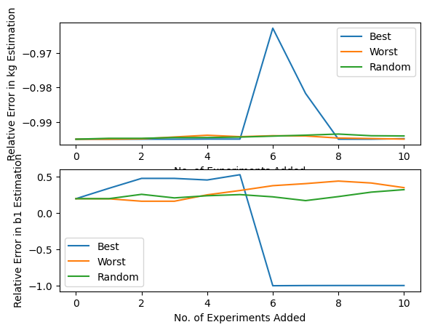
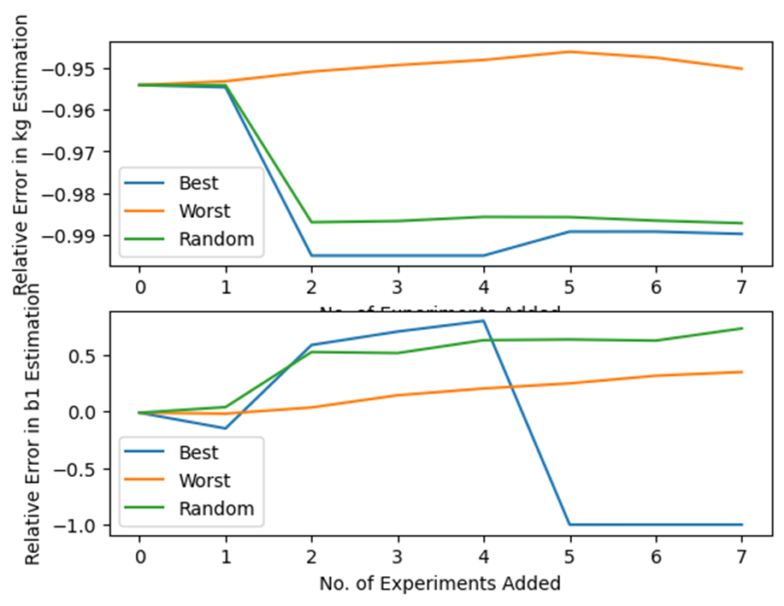
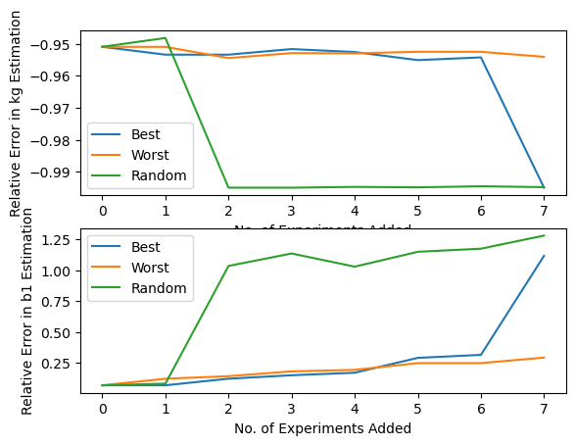
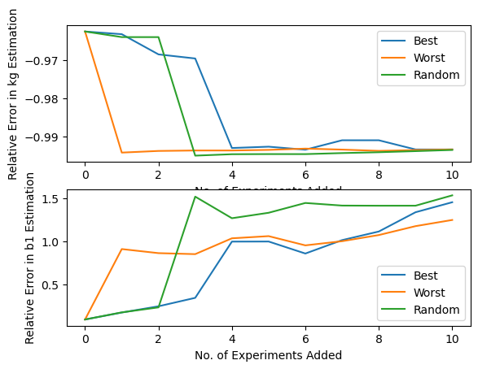

kg, g | Original Guesses |  | Growth parameters only

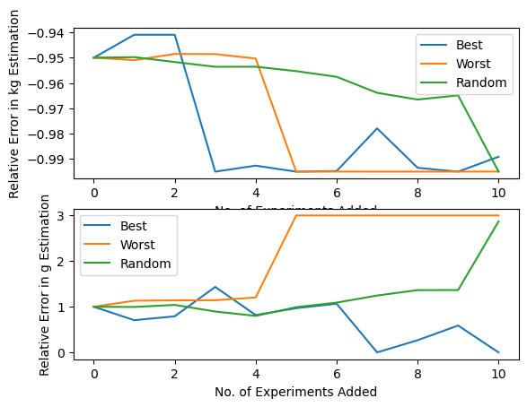
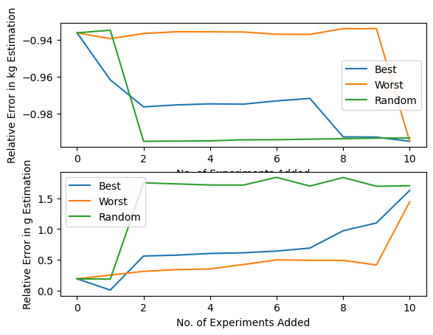
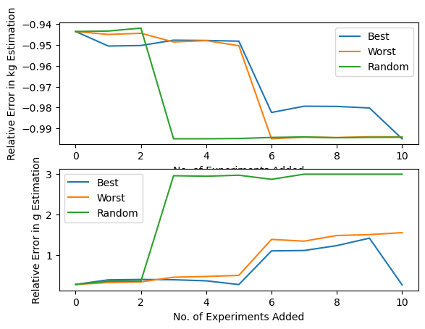
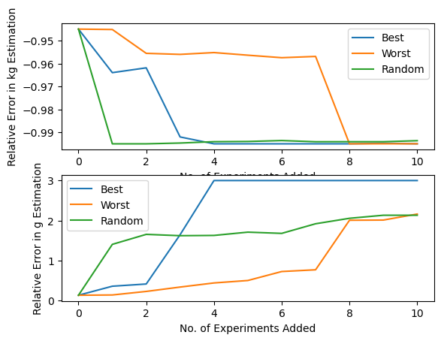
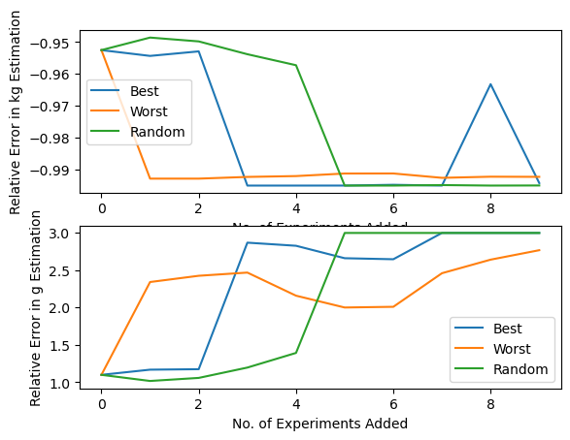

 | "best" |  |  |  |  |  |  |  |  |  |  |  | "best" goes to bounds on both parameters. |  |  | Caught in local minima?
 | [2.17784519e-11, 1.00000000e+00] |  |  |  |  | [1.00000000e-11 2.62562801e+00] |  |  | [1.00000000e-11, 1.25257633e+00] |  |  |  | [1.e-11 4.e+00]

kg, g | Refined Guesses |  | Growth parameters only
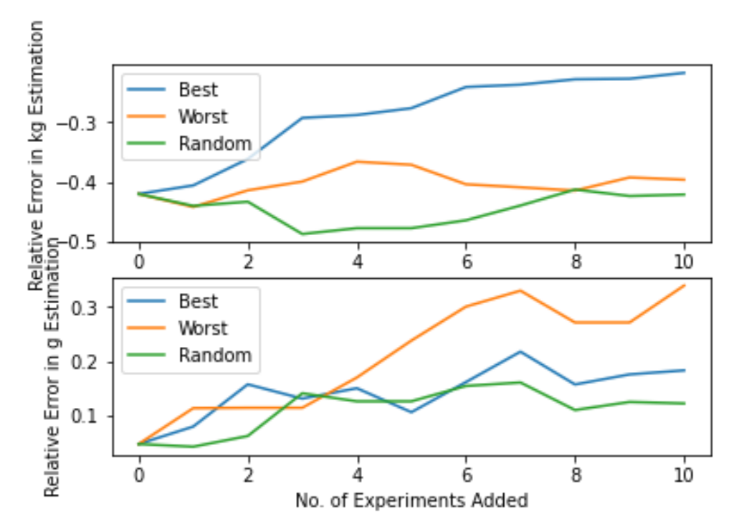
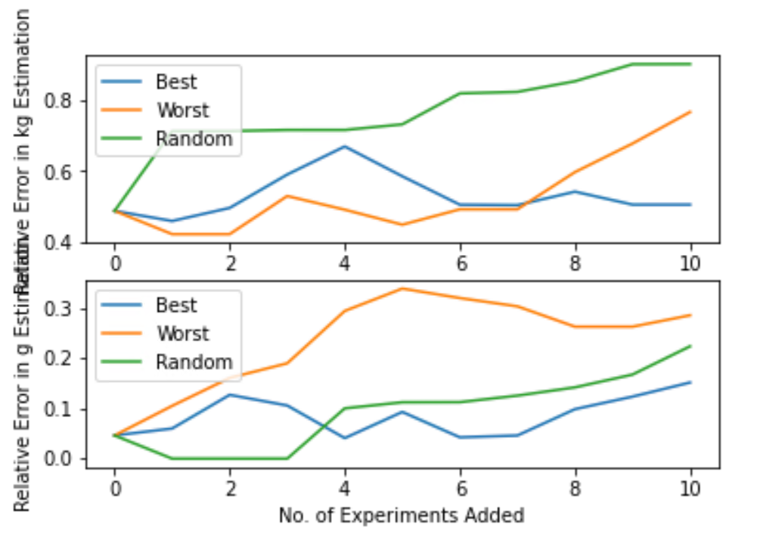
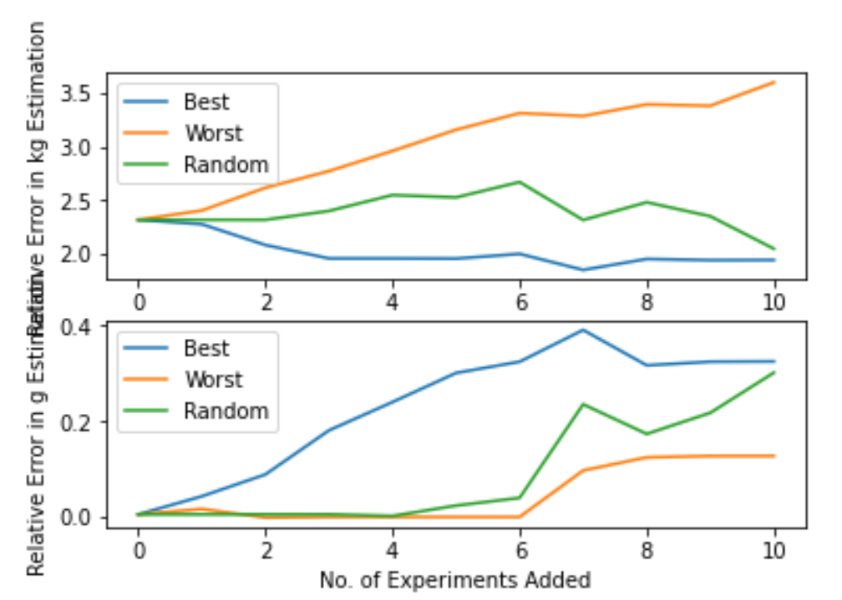
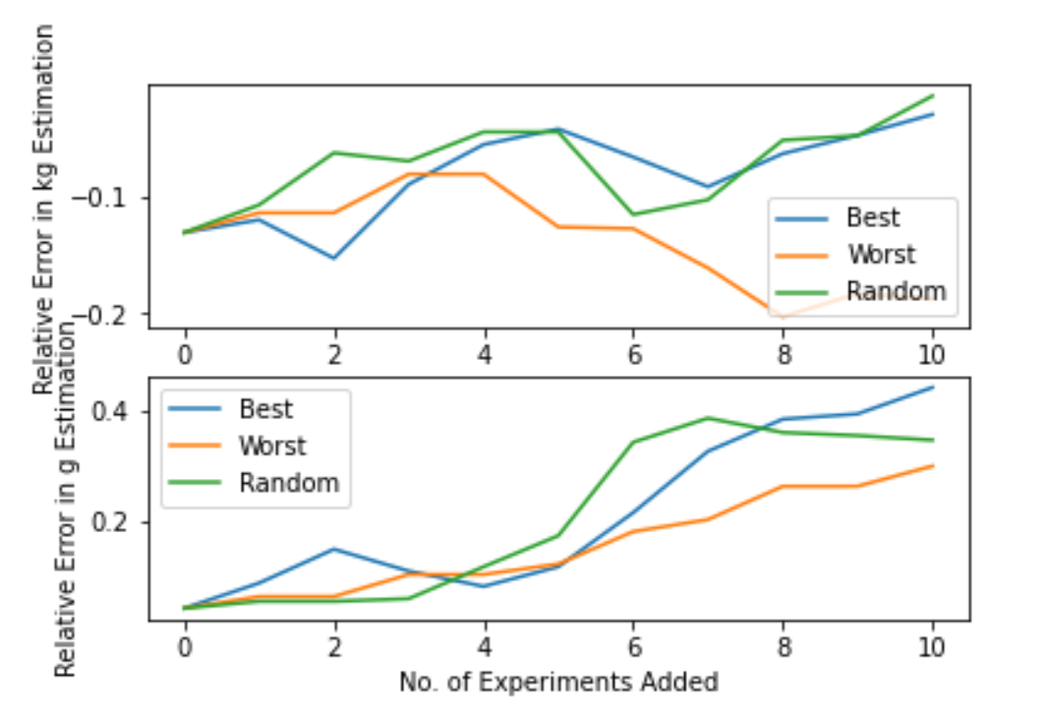

 |  | "best" rank: |  | 1 | 1 | "best" rank: | 1 | 3 |  | "best" rank: | 1 | 2 | "best" rank: | 2 | 3
 |  | [3.01242957e-09 1.15133462e+00] |  |  |  | [5.88379524e-09 1.32575168e+00] |  |  |  | [1.56509031e-09 1.18388801e+00] |  |  | [1.94218380e-09 1.44161434e+00]

